Bug reports
ID | Title | Short description | Steps to Reproduce | Status | Priority | Sevirity | Brovser | OS | Date | Remarks, Attach
1 | Tab order violation | Tab order violation GUI rules in "Contact Information" form | Input focus moves from "First name" field to the "Referred by" field ("Last Name" expected) | Open |  | Minor | Chrome | Windows 10/x64 | -
2 | Email field | "Email" field is not implemented as required field in "Contact Information" form | 1. Go to http://energy-telecom.portnov.com/qa/ 2. Enter all filds in "Contact Infirmation" forme, include non-required, exept "Email" 3. Go down the page, "Submit" form. Form axepted by server. No "Required field" Error message. | Open |  | Serious | Chrome | Windows 10/x64 | -
3 | Reffered by field | "Reffered by" field implemented as required field in "Contact Information" form, but it is not. | 1. Go to http://energy-telecom.portnov.com/qa/ 2. Enter all filds in "Contact Infirmation" forme, include non-required, exept "Reffered by" 3. Go down the page, "Submit" form. Form do not axepted by server. "Please enter the name of the person you were referred by" Error message. | Open |  | Serious | Chrome | Windows 10/x64 | -
4 | "First Name" field string capacity | "First Name" field accept up to 30 characters (31 expected) | 1. Go to http://energy-telecom.portnov.com/qa/ 2. Tipe "Test1234567890qwertyuiopasdfghj" in "First Name" fild (31 characters string). 3. First 30 characters tiped (31 expected). | Open |  | Serious | Chrome | Windows 10/x64 | -
5 | "Last Name" field string capacity | "Last Name" field accept up to 30 characters (31 expected) | 1. Go to http://energy-telecom.portnov.com/qa/ 2. Tipe "Simon1234567890qwertyuiopasdfgh" in "First Name" fild (31 characters string). 3. First 30 characters tiped (31 expected). | Open |  | Serious | Chrome | Windows 10/x64 | -
6 | "Street address" field string capacity | "Street address" field accept up to 100 characters (255 expected) | 1. Go to http://energy-telecom.portnov.com/qa/ 2. Tipe ""1044 Union aveneu123456781044 Union aveneu123456781044 Union aveneu123456781044 Union aveneu123456781044 Union aveneu123456781044 Union aveneu123456781044 Union aveneu123456781044 Union aveneu123456781044 Union aveneu123456781044 Union aveneu12345678Union"" in "Street address" fild (255 characters string). 3. First 100 characters tiped (255 expected). | Open |  | Serious | Chrome | Windows 10/x64 | -
7 | "State" list box look | "State" list box inconsistent via other listbox in form | 1. Go to: http://energy-telecom.portnov.com/qa/ 2. Look at "Stste" list box. 3. Default "Stste" list box displays "--" ("Select", "Select one" in other lists). | Open |  | Serious | Chrome | Windows 10/x64 | -
8 | "State" incorrect State data | "State" list box contains 49 States (50 expected) | 1. Go to: http://energy-telecom.portnov.com/qa/ 2. Click dropdown button in "State" List Box 3. Look at "Stste" list box content. 4. 49 States in list (50 expected). | Open |  | Serious | Chrome | Windows 10/x64 | -
9 | "State" invalid value | Remove "BC" from the list of states | 1. Go to: http://energy-telecom.portnov.com/qa/ 2. Click dropdown button in "State" List Box 3. Look at "Stste" list box content. | Open |  | Serious | Chrome | Windows 10/x64 | -
10 | "State" invalid value | Replace "IND" for "IN" in the list of states | 1. Go to: http://energy-telecom.portnov.com/qa/ 2. Click dropdown button in "State" List Box 3. Look at "Stste" list box content. | Open |  | Minor | Chrome | Windows 10/x64 | -
11 | "State" invalid value | Remove "Other" from the list of states | 1. Go to: http://energy-telecom.portnov.com/qa/ 2. Click dropdown button in "State" List Box 3. Look at "Stste" list box content. | Open |  | Minor | Chrome | Windows 10/x64 | -
12 | "ZIP" field 1 | "ZIP" field accept letter | 1. Go to: http://energy-telecom.portnov.com/qa/ 2. Tipe "9810i" in "ZIP" field | Open |  | Minor | Chrome | Windows 10/x64 | -
13 | "ZIP" field 2 | "ZIP" field accept special characters | 1. Go to: http://energy-telecom.portnov.com/qa/ 2. Tipe "9810/" in "ZIP" field | Open |  | Minor | Chrome | Windows 10/x64 | -
14 | "ZIP" field 3 | "ZIP" field accept more than 5 characters | 1. Go to: http://energy-telecom.portnov.com/qa/ 2. Paste "981011" in "ZIP" field | Open |  | Minor | Chrome | Windows 10/x64 | -
15 | "Phone" field letter 1 | 1 edit box in "Phone" field accept letter | 1. Go to: http://energy-telecom.portnov.com/qa/ 2. Paste "87z"-"428"-"9481" in "Phone" field | Open |  | Minor | Chrome | Windows 10/x64 | -
16 | "Phone" field letter 2 | 2 edit box in "Phone" field accept letter | 1. Go to: http://energy-telecom.portnov.com/qa/ 2. "877"-"42h"-"9481" in "Phone" field | Open |  | Minor | Chrome | Windows 10/x64 | -
17 | "Phone" field letter 3 | 3 edit box in "Phone" field accept letter | 1. Go to: http://energy-telecom.portnov.com/qa/ 2. Paste "877"-"428"-"948i" in "Phone" field | Open |  | Minor | Chrome | Windows 10/x64 | -
18 | "Phone" field special characters 1 | 1 edit box in "Phone" field accept special characters | 1. Go to: http://energy-telecom.portnov.com/qa/ 2. Paste "87&"-"428"-"9481" in "Phone" field | Open |  | Minor | Chrome | Windows 10/x64 | -
19 | "Phone" field special characters 2 | 2 edit box in "Phone" field accept special characters | 1. Go to: http://energy-telecom.portnov.com/qa/ 2. "877"-"42*"-"9481" in "Phone" field | Open |  | Minor | Chrome | Windows 10/x64 | -
20 | "Phone" field special characters 3 | 3 edit box in "Phone" field accept special characters | 1. Go to: http://energy-telecom.portnov.com/qa/ 2. Paste "877"-"428"-"948!" in "Phone" field | Open |  | Minor | Chrome | Windows 10/x64 | -
21 | Best Way To Contact Me" default value | "Best Way To Contact Me" list box inconsistent via other listbox in form | 1. Go to: http://energy-telecom.portnov.com/qa/ 2. Look at "Best Way To Contact Me" list box. 3. Default "Best Way To Contact Me" list box displays "Select" ("--", "Select one" in other lists). | Open |  | Minor | Chrome | Windows 10/x64 | -
22 | "Phone" field UI vertical alignment | "Phone" fields in "Contact Information" and "Local/Long Distances/International Service" forms hav inconsist vertical border | 1. Go to: http://energy-telecom.portnov.com/qa/ 2. Compare hov to looks "Phone" fields in "Contact Information" and "Local/Long Distances/International Service" | Open |  | Minor | Chrome | Windows 10/x64 | - | 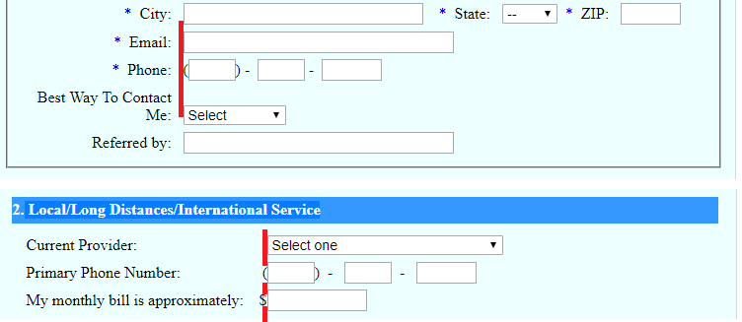
23 | "Phone" field UI Space | Space between phone edit boxes inconsistent in "Contact Information" and "Local/Long Distances/International Service" forms. | 1. Go to: http://energy-telecom.portnov.com/qa/ 2. Compare hov to looks "Phone" fields in "Contact Information" and "Local/Long Distances/International Service" | Open |  | Minor | Chrome | Windows 10/x64 | - | 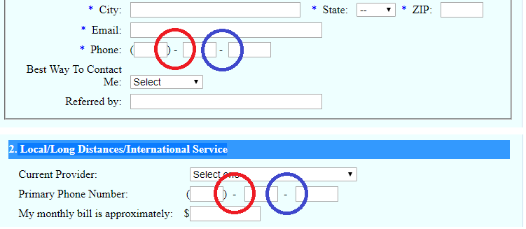
24 | "Contact Information" form UI right align | "Last Name, "Street Address, "ZIP" fields align in one line to the right | See Attach | Open |  | Suggestion | Chrome | Windows 10/x64 | - | 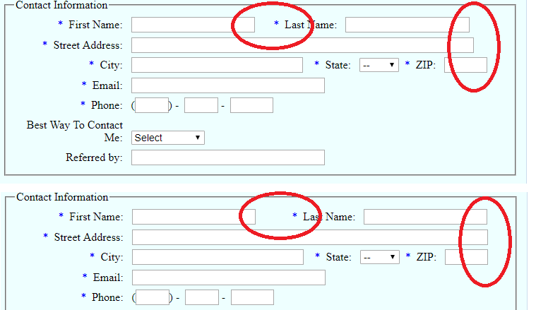
25 | "Cell Phone Service" form, "Current Provider" list . | Add "Other" in the "Current Provider" list in "Cell Phone Service" form. |  |  |  |  | Chrome | Windows 10/x64 | -
26 | "Current Provider" list box look | "Current Provider" list box inconsistent via other listbox in form | 1. Go to: http://energy-telecom.portnov.com/qa/ 2. Look at "Current Provider" list box in the "Cell Phone Service" form. 3. Default "Current Provider" list box displays "Selec one" ("--", "Select" in other lists). | Open |  | Minor | Chrome | Windows 10/x64 | -
27 |  | "My monthly bill is approximately" field in "Cell Phone Service" foarm accept letter | 1. Go to: http://energy-telecom.portnov.com/qa/ 2. Tipe "qwer" in "My monthly bill is approximately" field in "Cell Phone Service" foarm. | Open |  | Minor | Chrome | Windows 10/x64 | -
28 |  | "My monthly bill is approximately" field in "Cell Phone Service" foarm accept letter 2 | 1. Go to: http://energy-telecom.portnov.com/qa/ 2. Paste "qwer" in "My monthly bill is approximately" field in "Cell Phone Service" foarm. | Open |  | Minor | Chrome | Windows 10/x64 | -
29 |  | "My monthly bill is approximately" field in "Cell Phone Service" foarm accept special characters | 1. Go to: http://energy-telecom.portnov.com/qa/ 2. Paste "!@#$" in "My monthly bill is approximately" field in "Cell Phone Service" foarm. | Open |  | Minor | Chrome | Windows 10/x64 | -
30 |  | Align equally "Minutes on plane" and "Number of phones on plan" in "Cell Phone Service" form. | 1. Go to: http://energy-telecom.portnov.com/qa/ 2. Look at "Minutes on plane" and "Number of phones on plan" in "Cell Phone Service" form. 3. Look attach. | Open |  | Suggestion | Chrome | Windows 10/x64 | -
31 |  | Remove "required field" status from "Primary Phone Number" field in "Local/Long Distances/International Service" | 1. Go to: http://energy-telecom.portnov.com/qa/ 2. Tipe "488" in first phone edit box from "Primary Phone Number" field in Local/Long Distances/International Service. 3. Submit the form. 4. "Please enter a valid Primary Phone Number for Local/Long Distances/International Service" Error message. 5. Field "Primary Phone Number" in "Local/Long Distances/International Service" marks as a required (red asterics). | Open |  | Minor | Chrome | Windows 10/x64 | -
32 | Inconsistency default item | "Current Provider" list box Inconsistency via other listbox in form | 1. Go to: http://energy-telecom.portnov.com/qa/ 2. Look at "Current Provider" list box in "Local/Long Distances/International Service". 3. Default "Current Provider" list box displays "Select one" ("--", "Select" in other lists). | Open |  | Minor | Chrome | Windows 10/x64 | -
33 | unacceptable value | "Primary Phone Number" field accept letter | 1. Go to: http://energy-telecom.portnov.com/qa/ 2. Paste "qwe" in first phone edit box from "Primary Phone Number" field in Local/Long Distances/International Service. | Open |  | Minor | Chrome | Windows 10/x64 | -
34 | unacceptable value | "Primary Phone Number" field accept special characters. | 1. Go to: http://energy-telecom.portnov.com/qa/ 2. Paste "!@#" in first phone edit box from "Primary Phone Number" field in Local/Long Distances/International Service. | Open |  | Minor | Chrome | Windows 10/x64 | -
35 | unacceptable value | "My monthly bill is approximately" field in "Local/Long Distances/International Service" accept letter | 1. Go to: http://energy-telecom.portnov.com/qa/ 2. Paste "qwe" in "My monthly bill is approximately" field in "Local/Long Distances/International Service" | Open |  | Minor | Chrome | Windows 10/x64 | -
36 | unacceptable value | "My monthly bill is approximately" field in Local/Long Distances/International Service" accept special characters | 1. Go to: http://energy-telecom.portnov.com/qa/ 2. Paste "!@#" in "My monthly bill is approximately" field in "Local/Long Distances/International Service" | Open |  | Minor | Chrome | Windows 10/x64 | -

